Textbook
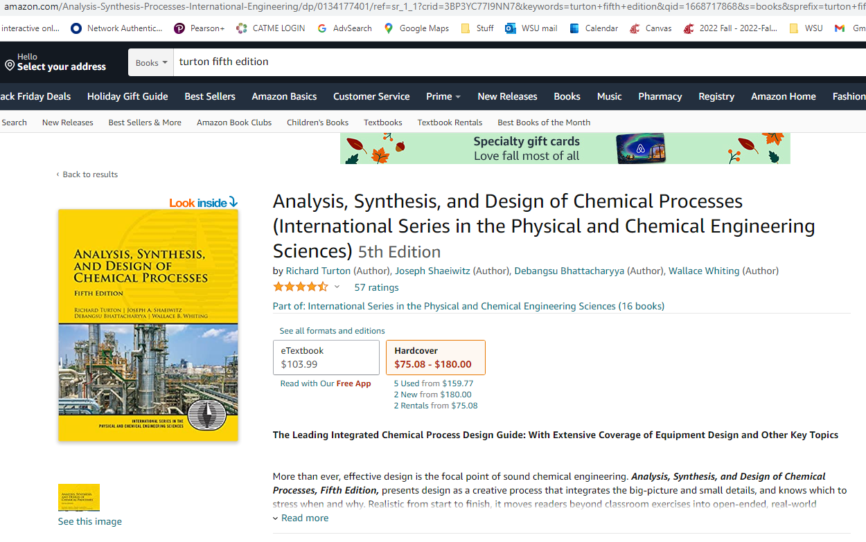

Discounted cash flow
 |  | Ammonia Plant producing selected tonnes per day (user input) of anhydrous ammonia
 |  | INFLATION NOT TAKEN IN ACCOUNT (reasoning see Textbook). TIME VALUE OF MONEY IS TAKEN IN ACCOUNT.

Manual INPUTS: |  | Tax credit per kg NH3 | $0.11
Yellow Highlights |  | Desired production rate | 10 | Tonnes NH3 per day (metric tons)
 |  | Cap. Cost calculated | $12,000,000
 |  | Ammonia sells for | $1,000 | per tonne
10
 |  | Tax rate | 0.30 | 30.00 | %
 |  | Discount rate | 0.05 | 4.55 | %p.a.

 |  | Name Plate production | 10 | tpd ammonia
 |  | Days per year at Name Plate capacity | 360 | 8640 | hrs/yr
 |  | Cost of Land | $25,000
 |  | Cost of Electrical Energy | $0.02 | /kWh |  |  |  |  |  |  | For comparison: simple investment, constant annual interest, no inflation
 |  |  |  |  |  |  |  |  |  |  | $12,000,000 | invested at fixed | 4 | %interest per year:
 |  |  |  |  |  |  |  |  |  |  | $38,920,770 | after | 30 | years
 |  |  |  |  |  |  |  |  |  |  | (compound interest, no inflation)
 |  | Additional parameters for review |  |  |  |  |  |  |  |  | verified via | https://www.calculator.net/future-value-calculator.html
 |  | Annual Income | $3,600,000
 |  | MACRS depreciation was used, 9.5 year class life, 5 year recovery
 |  | Number of full time positions | 3.00 | either per Textbook, or manual
 |  | Cost per Position per year | $100,000
 | Results | NPV | ($0)
 |  | at | 30 | years
 |  | Present Value Ratio PVR | 1.00

 |  | End of Year | Investment | dK Depreciation | FCIL-sum dK | Revenue R per yr from sale of NH3 | Cost of Manufacturing COMd | ((R-COM-dK)*(1-t)+dK)+H2credit | Cash Flow | Cumul Cash Flow non-discounted | Discounted Cash Flow | Cumul Disc Cash Flow
 |  | 0 | ($25,000) |  | $12,000,000 |  |  | $0 | ($25,000) | ($25,000) | ($25,000) | ($25,000)
 |  | 1 | ($7,200,000) |  | $12,000,000 | $0 |  | $0 | ($7,200,000) | ($7,225,000) | ($6,586,908.21) | ($6,611,908.21)
 |  | 2 | ($4,800,000) |  | $12,000,000 | $0 |  | $0 | ($4,800,000) | ($12,025,000) | ($4,200,151.06) | ($10,812,059.27)
 | Startup beginning of year: | 3 |  | $2,400,000 | $9,600,000 | $3,600,000 | $3,306,181.92 | $1,305,833 | $1,305,833 | ($10,719,167) | $1,092,913.41 | ($9,719,145.86)
 |  | 4 |  | $3,840,000 | $5,760,000 | $3,600,000 | $3,306,181.92 | $1,737,833 | $1,737,833 | ($8,981,335) | $1,391,171.72 | ($8,327,974.13)
 |  | 5 |  | $2,304,000 | $3,456,000 | $3,600,000 | $3,306,181.92 | $1,277,033 | $1,277,033 | ($7,704,302) | $977,798.46 | ($7,350,175.68)
 |  | 6 |  | $1,382,400 | $2,073,600 | $3,600,000 | $3,306,181.92 | $1,000,553 | $1,000,553 | ($6,703,749) | $732,760.17 | ($6,617,415.51)
 |  | 7 |  | $1,382,400 | $691,200 | $3,600,000 | $3,306,181.92 | $1,000,553 | $1,000,553 | ($5,703,197) | $700,868.29 | ($5,916,547.22)
 |  | 8 |  | $691,200 | $- | $3,600,000 | $3,306,181.92 | $793,193 | $793,193 | ($4,910,004) | $531,434.45 | ($5,385,112.77)
 |  | 9 |  |  |  | $3,600,000 | $3,306,181.92 | $585,833 | $585,833 | ($4,324,171) | $375,421.51 | ($5,009,691.26)
 |  | 10 |  |  |  | $3,600,000 | $3,306,181.92 | $585,833 | $585,833 | ($3,738,339) | $359,082.06 | ($4,650,609.20)
 |  | 11 |  |  |  | $3,600,000 | $3,306,181.92 | $585,833 | $585,833 | ($3,152,506) | $343,453.75 | ($4,307,155.45)
 |  | 12 |  |  |  | $3,600,000 | $3,306,181.92 | $585,833 | $585,833 | ($2,566,673) | $328,505.64 | ($3,978,649.81)
 |  | 13 |  |  |  | $3,600,000 | $3,306,181.92 | $585,833 | $585,833 | ($1,980,841) | $314,208.10 | ($3,664,441.71)
 |  | 14 |  |  |  | $3,600,000 | $3,306,181.92 | $585,833 | $585,833 | ($1,395,008) | $300,532.84 | ($3,363,908.86)
 |  | 15 |  |  |  | $3,600,000 | $3,306,181.92 | $585,833 | $585,833 | ($809,175) | $287,452.77 | ($3,076,456.09)
 |  | 16 |  |  |  | $3,600,000 | $3,306,181.92 | $585,833 | $585,833 | ($223,343) | $274,941.98 | ($2,801,514.11)
 |  | 17 |  |  |  | $3,600,000 | $3,306,181.92 | $585,833 | $585,833 | $362,490 | $262,975.70 | ($2,538,538.42)
 |  | 18 |  |  |  | $3,600,000 | $3,306,181.92 | $585,833 | $585,833 | $948,322 | $251,530.22 | ($2,287,008.20)
 |  | 19 |  |  |  | $3,600,000 | $3,306,181.92 | $585,833 | $585,833 | $1,534,155 | $240,582.88 | ($2,046,425.31)
 |  | 20 |  |  |  | $3,600,000 | $3,306,181.92 | $585,833 | $585,833 | $2,119,988 | $230,112.01 | ($1,816,313.30)
 |  | 21 |  |  |  | $3,600,000 | $3,306,181.92 | $585,833 | $585,833 | $2,705,820 | $220,096.86 | ($1,596,216.45)
 |  | 22 |  |  |  | $3,600,000 | $3,306,181.92 | $585,833 | $585,833 | $3,291,653 | $210,517.60 | ($1,385,698.85)
 |  | 23 |  |  |  | $3,600,000 | $3,306,181.92 | $585,833 | $585,833 | $3,877,486 | $201,355.25 | ($1,184,343.60)
 |  | 24 |  |  |  | $3,600,000 | $3,306,181.92 | $585,833 | $585,833 | $4,463,318 | $192,591.68 | ($991,751.92)
 |  | 25 |  |  |  | $3,600,000 | $3,306,181.92 | $585,833 | $585,833 | $5,049,151 | $184,209.52 | ($807,542.40)
 |  | 26 |  |  |  | $3,600,000 | $3,306,181.92 | $585,833 | $585,833 | $5,634,984 | $176,192.18 | ($631,350.22)
 |  | 27 |  |  |  | $3,600,000 | $3,306,181.92 | $585,833 | $585,833 | $6,220,816 | $168,523.78 | ($462,826.44)
 |  | 28 |  |  |  | $3,600,000 | $3,306,181.92 | $585,833 | $585,833 | $6,806,649 | $161,189.13 | ($301,637.31)
 |  | 29 |  |  |  | $3,600,000 | $3,306,181.92 | $585,833 | $585,833 | $7,392,482 | $154,173.70 | ($147,463.61)
 |  | 30 | $25,000 |  |  | $3,600,000 | $3,306,181.92 | $585,833 | $585,833 | $7,978,314 | $147,463.61 | ($0.00)

Ammonia price history
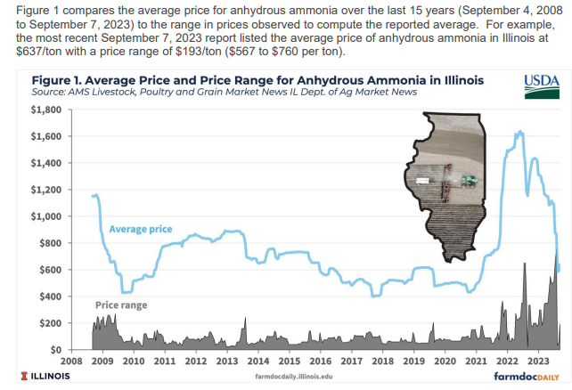
updates see https://farmdocdaily.illinois.edu

Cost of Manuf COMd modified
Cost of Manufacturing, no discount COMd

Fixed Capital Investment FCI |  |  | $12,000,000.00
Raw Materials |  |  | $10,000.00 | per year | estimate
Waste Treatment |  |  | $10,000.00 | per year | estimate
Utilities (electricity only) |  |  | $691,200.00 | per year | $0.0200 | per kWh | 0.4 | MW/ton, for ton per day: | 10 | 34560 | MWh per year
Direct Labor COL |  |  | $300,000.00 | per year | 3.0 | Operators hired full time
Fixed Costs |  |  | neglected

COMd components | 0.18 | *fixed cap = | $2,160,000.00 |  | Modified | 0.164 | $1,968,000 |  | 0.02 FCI instead of 0.036 FCI for Overhead costs;
 | 2.73 | *dir labor= | $819,000.00 |  |  | 2.503 | $750,900 |  | 0.15 COL eliminated (Laboratory), lowered admin from 0.177 COL to 0.1 COL
 | 1.23 | *(Raw mat +Waste Treat+Util).= | $874,776.00 |  |  | 1.23 | $874,776
 |  |  |  |  |  |  | $3,593,676 |  | No R&D omit 0.05 COM, no Patents&Royalties omit 0.03 COM
COMd | Textbook factors |  | $3,853,776.00 |  |  | COMd MODIFIED | $3,306,182

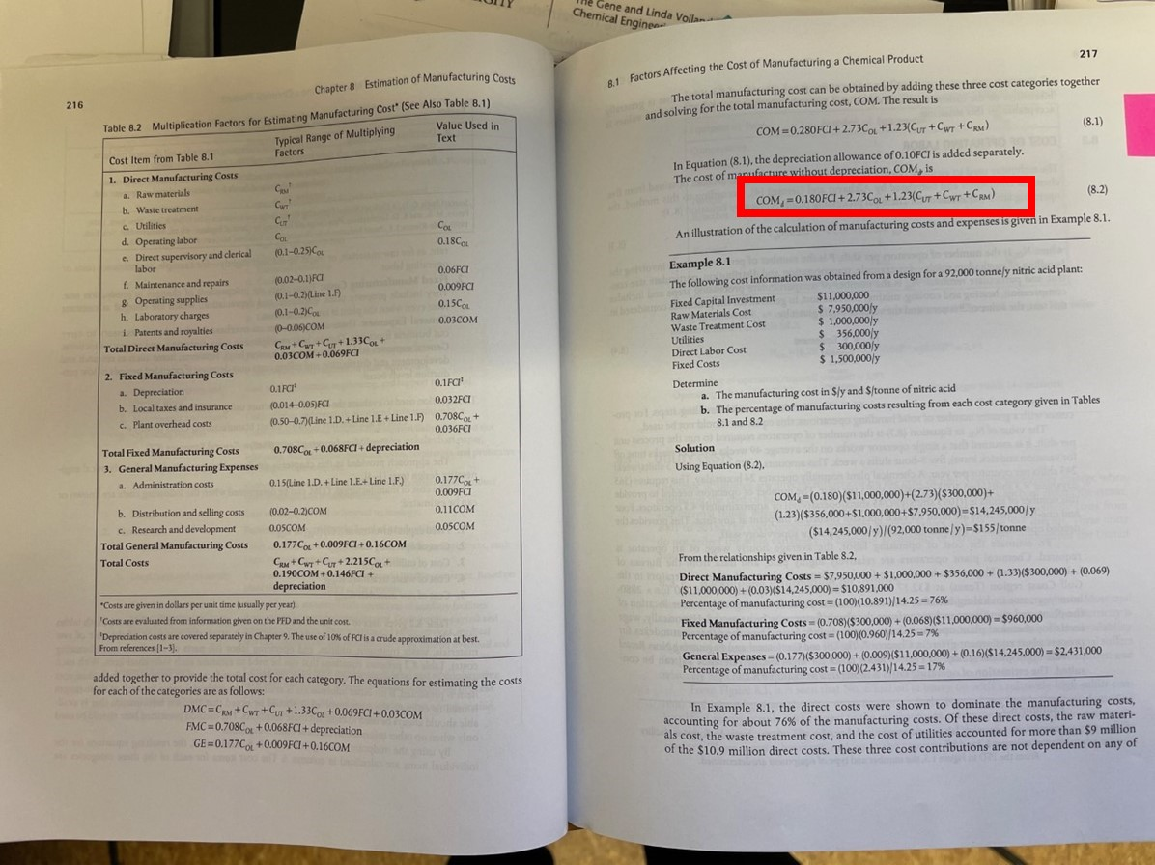

Direct Labor |  | NOL= | 2.7 | operators per shift (no solids, 5 processing steps), see Turton et al.

4.5 | operators hired per NOL =
 |  |  | 3.0 | Operators hired per textbook, can override and enter manually, for Textbook formula is F23*C25

 |  | set to | 3.0 | Operators
 |  |  | $100,000 | per operator per year
 |  |  | $300,000 | per year

CEPCI
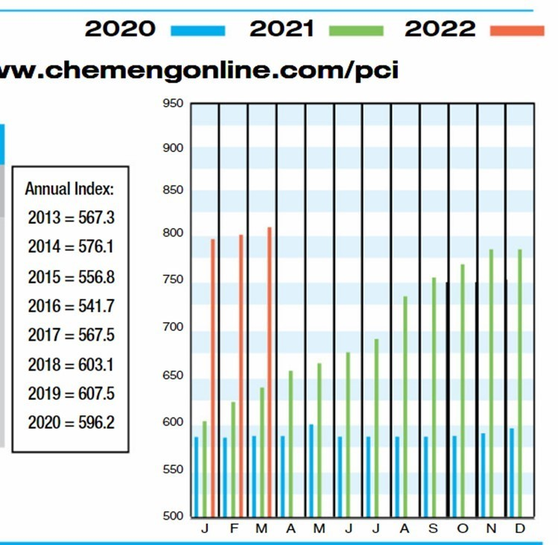
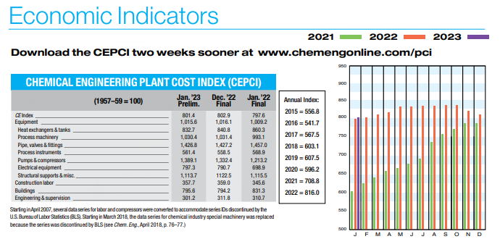
Chemical Engineering Plant Cost Index CEPCI via "Chemical Engineering", behind paywall

CAPEX Grundt et al 6 10 rule
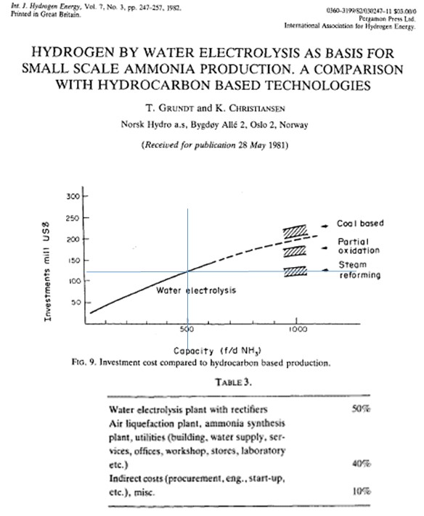
 | Grundt et al, 1981

 | From graph:

500 tpd 2022: | 500 | metric tons NH3 per day
$328,080,808 | $120,000,000 | in 1981, electrolysis based NH3
using CEPCI
 | scale down to 10 tpd, use six-tenths rule:
 | Cost A/ Cost B = (Capacity A/Capacity B)^0.6=120,000,000/Cost B = (500/10)^0.6

 | 50^0.6= | 10.46

 | solve for Cost B:
 | Cost B, 10 tpd: | $11,476,230.00

 | adjust for 2021 cost index:
 | CEPCI 1981: | 297 | I1
 | CEPCI March 2022:: | 812 | I2
 |  |  |  | https://www.nxtbook.com/accessintelligence/ChemicalEngineering/chemical-engineering-june-intl-2022/index.php?startid=48#/p/48
 | C2=C1(I2/I1)

 |  | $31,376,090 | 10 metric tons per day, 2022 |  | Including:
 |  |  | Capcost, direct + indirect see Table 3 from paper

H-B Capex from Ammoniaenergy.or
https://www.ammoniaenergy.org/articles/the-capital-intensity-of-small-scale-ammonia-plants/

Example
Simplot $350MM 500 short ton per day, Rock Springs Wyoming, Casale tech and Linde, commissioned 2017, |  |  |  |  |  |  |  | 500 | short tons per day
 |  |  |  |  |  |  |  | 454 | metric tons per day |  | 149,139.00 | metric tons per year
 |  |  |  |  |  |  | CAPEX | $350.00 | MM
 |  |  |  |  |  | Scale to 10tpd |  | CostA/CostB=(Cap A/Cap B)^0.6

 |  |  |  |  |  |  |  | Cap A = | 10
 |  |  |  |  |  |  |  | CapB= | 454

 |  |  |  |  |  |  |  | (CapA/Capb)^0.6 | 0.10133663718
 |  |  |  |  |  |  |  |  | $35.47 | MM | for 10 metric tons per day, conventional technology with steam reforming (?)

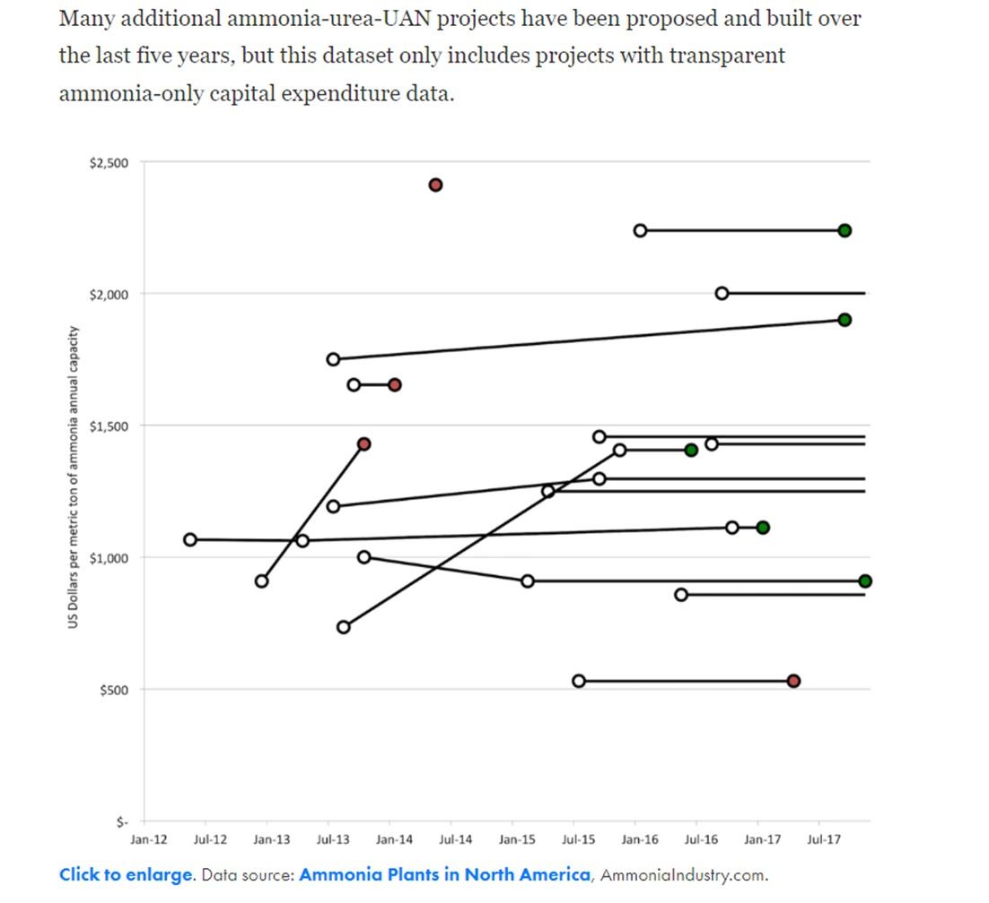
Conventional NH3
Upshot, small scale conventional) CAPEX 1900 to $2250 per ton per year
Use | 2000 | $ per ton NH3 produced per year |  |  | $/(ton NH3/year)
 | 3600 | ton NH3 per year produced

 | $7,200,000.00 | for | 10 | ton per day at | 360 | days per year

This is 2017 data

CEPCI | 2017 | 568
 | 2022 | 812

 | $10,292,957.75 |  | 10 | ton per day at | 360 | days per year
 | Conventional H-B plant, 2022

CAPEX by DOE for electrolysis
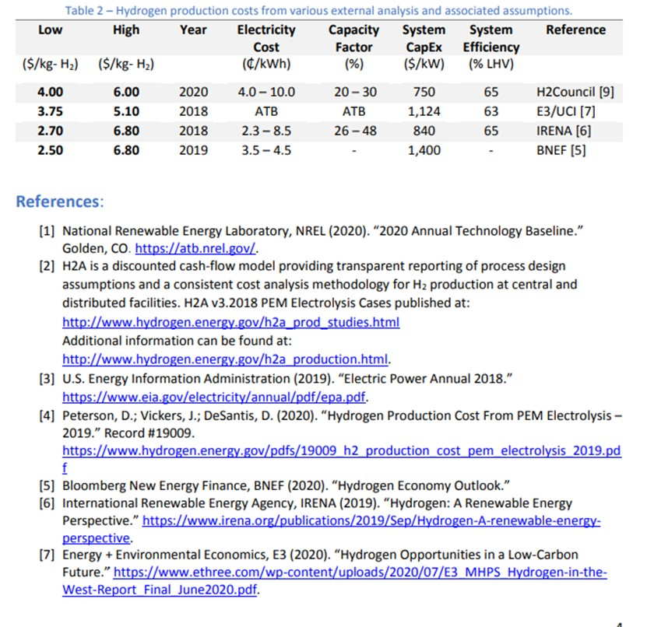
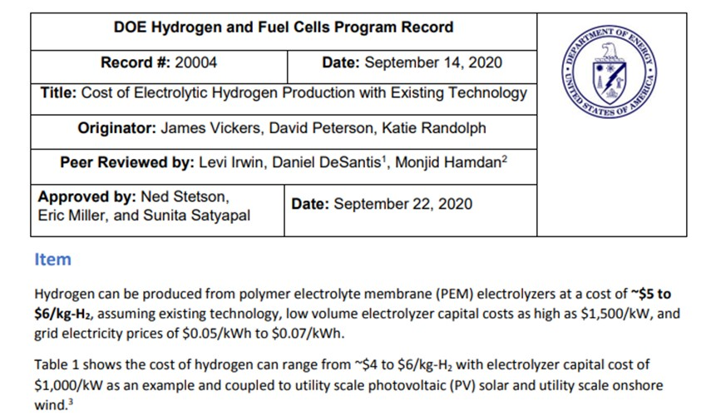

https://www.hydrogen.energy.gov/pdfs/20004-cost-electrolytic-hydrogen-production.pdf

2020

Capcost PEM electrolyzer |  | $1,000 | $/kW

need |  | 4 | MW, 10tpd | Pfromm paper 2017
 | or | 4000 | kW

 |  | $4,000,000 | 2020 CAPEX for ten ton per day ammonia, electrolysis only

Adjust for time
CEPCI March 2022:: |  | 812
CEPCI 2020 |  | 596.2 |  | https://www.toweringskills.com/financial-analysis/cost-indices/

 |  | $5,447,836 | 2022 CAPEX for ten ton per day ammonia, PEM electrolysis "System Capex"

Renewable H2 Tax Credit
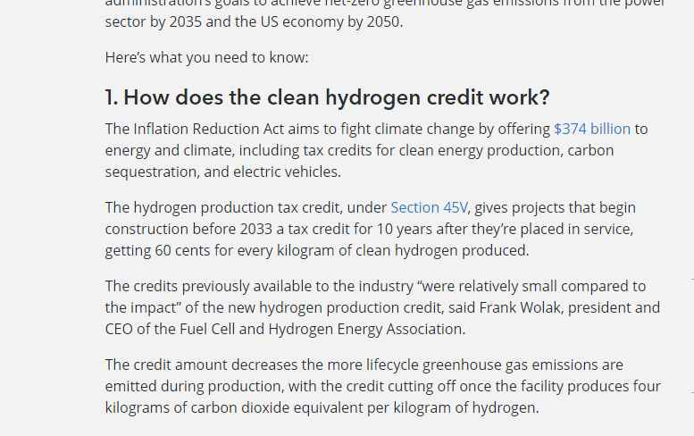
https://news.bloombergtax.com/daily-tax-report/the-new-clean-hydrogen-production-tax-credit-explained

$0.60 | per kg H2 guaranteed for 10 year

0.176 | kgH2 per kg NH3

$0.11 | per kg NH3

